Puroducts Catalog
50th anniversary of the BBS brand.Action for the Future.The challenge continues.
If you are interested in the product, please contact your TAU representative.

RZ-D | Forged extra-super duralumin 1-piece wheel
Dramatically dignified—an excellent choice for high-end vehicles From the deep, round center 10 cross spokes flow in exquisitely slender arcs. When gracing a high-end vehicle, this wheel strongly contributes to the feeling of luxury. Renowned as an aerospace material, extra-super duralumin makes this model amazingly strong, durable, and light.
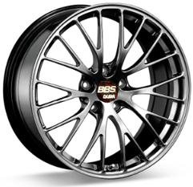
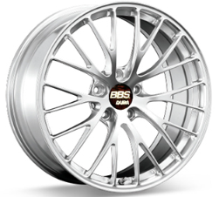
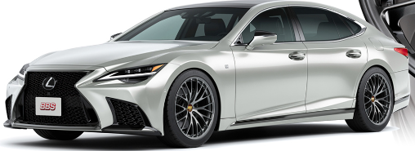
※Image

Diamond Silver(DS)
Diamond Black(DB)

 | TYPE | SIZE | INSET | H/P.C.D | PFS/BORE | WEIGHT | UNIT RRICE
19inch | RZ017 | 19×8.5 | 43 | 5/114.3 | PFS | 8.1kg | ASK
20inch | RZ006 | 20×8.5 | 38 | 5/114.3 | PFS | 8.5kg | ASK
 | RZ007 | 20×9.5 | 45 | 5/114.3 | PFS | 8.9kg | ASK

RI-D | Forged extra-super duralumin 1-piece wheel
An ultra-light design that realizes the ideal of light and sporty driving One look at this wheel with its 5 minimalist cross spokes makes two things clear: it’s ultra-lightweight, and it promises sporty driving. In fact, this is the wheel that BBS introduced in 2011 as the world’s first extra-super duralumin wheel.* Duralumin is an aluminum alloy that’s impressively strong and durable, and extra-super duralumin is even more so, finding use as an aerospace material. This design employs this advanced material to full effect.

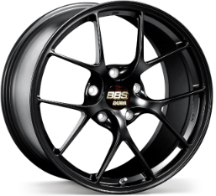
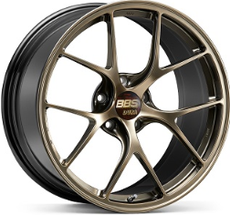
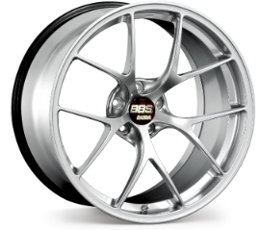
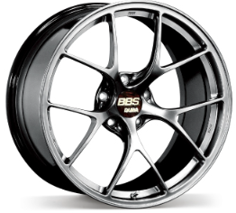
※additional charges
+\5,000
Diamond Gold
Diamond Silver
Diamond Black

Matte Black (MB)
Diamond Gold (DG) +5,000 Yen
Diamond Silver（DS） +5,000 Yen
Diamond Black（DB） +5,000 Yen

 | TYPE | SIZE | INSET | H/P.C.D | PFS/BORE | WEIGHT | UNIT RRICE
19inch | RI021 | 19×9.5 | 45 | 5/114.3 | PFS | 7.8kg | ASK
 | RI017 | 19×10.5 | 35 | 5/108.0 | 67 | 8.2kg | ASK
20inch | RI040 | 20×9.0 | 55 | 5/122.0 | PFS | 8.0kg | ASK
 | RI046 | 20×9.5 | 45 | 5/114.3 | 66 | 9.0kg | ASK
21inch | RI094 | 21×9.5 | 28 | 5/112.0 | PFS | 9.4kg | ASK
 | RI095 | 21×10.0 | 30 | 5/112.0 | PFS | 9.5kg | ASK
 |  |  |  |  |  |  | ※Please contact us for sizes other than those listed above.
※Vehicle specific design
FI-R | Forged Aluminum 1-Piece Wheel
Functional beauty that takes sporty driving to the limit Incredibly tough—yet incredibly light: this is the BBS identity.This ideal combination of qualities teams up with innovative technologies to form a pure sports wheel.The profile of each shapely cross spoke features a hole to reduce weight even further. The relentless pursuit of performance has chiseled away everything unneeded and left both form and function daringly expressed.
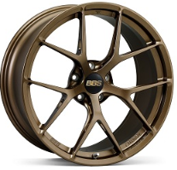
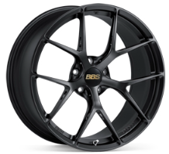
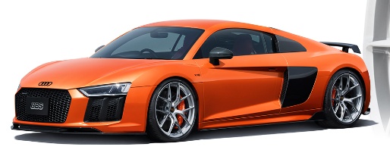

Mud Bronze
Matte Black（MB）

Diamond Silver（DS） +5,000 Yen
Diamond Black（DB） +5,000 Yen
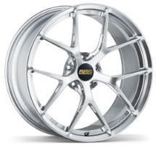 |  | 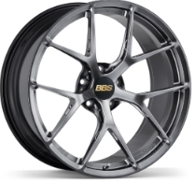 |  | 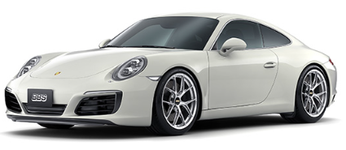
 | TYPE | SIZE | INSET | H/P.C.D | PFS/BORE | WEIGHT | UNIT RRICE
19inch | FI152 | 19×9.0 | 32 | 5/112.0 | 66.5 | 7.9kg | ASK
 | FI138 | 19×10.5 | 35 | 5/120.0 | 72.5 | 8.2kg | ASK
20inch | FI140 | 20×9.0 | 35 | 5/112.0 | PFS | 8.1kg | ASK
 | FI136 | 20×10.5 | 35 | 5/120.0 | 72.5 | 8.7kg | ASK
21inch | FI164 | 21×11.5 | 60 | 5/130.0 | 71.6 | 10.2kg | ASK
 | FI143 | 21×12.5 | 48 | 1/130.0 | 62.5 | 10.4kg | ASK
 |  |  |  |  |  |  | ※Please contact us for sizes other than those listed above.
※Vehicle specific design
FI-R Evo | Forged Aluminum 1-Piece Wheel
Based on conventinal FI-R model, acheives best solution to integrate rigidity and weight reduction. Based on the “FI-R”, which has been well-received for its exclusive design for high-performance cars, BBS further applied appropriate hole drilling process to pursue the balance between lightness and toughness. This is a model that achieves the design and performance that can only be achieved with BBS forging, and is a proposal for those who pursue the real thing in the midst of diversifying needs.
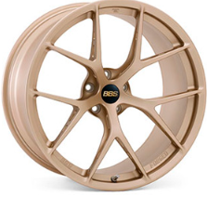
※additional charges
+\5,000
Diamond Silver
Diamond Black

Citrine Gold（CG）
Matte Black（MB）
Diamond Silver（DS） +5,000 Yen
Diamond Black（DB） +5,000 Yen

 | TYPE | SIZE | INSET | H/P.C.D | PFS/BORE | WEIGHT | UNIT RRICE
19inch | FI206 | 19×9.5 | 15 | 5/112.0 | 66.5 | 7.9kg | ASK
20inch | FI204 | 20×9.5 | 44 | 1/130.0 | 84 | 8.2kg | ASK
 | FI213 | 20×9.5 | 10 | 5/112.0 | 66.5 | 8.2kg | ASK
 | FI207 | 20×10.5 | 15 | 5/112.0 | 66.5 | 8.7kg | ASK
21inch | FI205 | 21×12.0 | 70 | 1/130.0 | 84 | 10.6kg | ASK
 | FI209 | 21×12.0 | 45 | 1/130.0 | 84 | 10.2kg | ASK

SUPER-RS | Forged aluminum 2-piece wheel
Unchanged since its introduction in 1983, this model continues to impress with its 17 cross spokes and beautiful, luxurious styling.
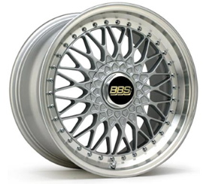
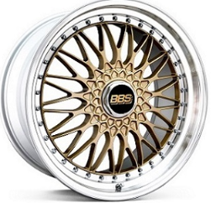
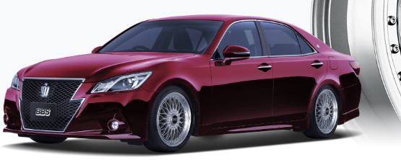
※Image

SL-SLD
GL-SLD

 | TYPE | SIZE | INSET | H/P.C.D | PFS/BORE | WEIGHT | UNIT RRICE
19inch | RS576 | 19×8.5 | 43 | 5/112.0 | PFS | 10.7kg | ASK
 | RS577 | 19×9.0 | 28 | 5/112.0 | PFS | 11.3kg | ASK
20inch | RS557 | 20×8.5 | 38 | 5/114.3 | PFS | 11.6kg | ASK
 | RS559 | 20×9.5 | 40 | 5/120.0 | PFS | 12.0kg | ASK
 |  |  |  |  |  |  | ※Please contact us for sizes other than those listed above.
LM-R | Forged aluminum 2-piece wheel
This light, tough, sporty model leverages technologies developed for our Porsche Carrera Cup racing wheel.
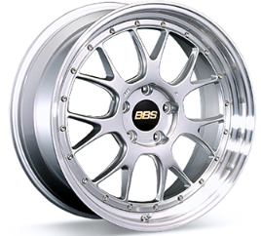
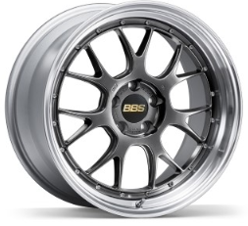
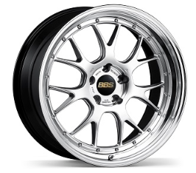
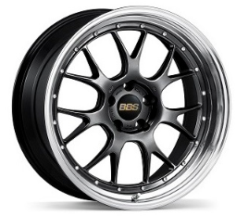

Diamond Silver disk and
Silver Diamond-cut rim
(DS-SLD)
Diamond Black disk and
Silver Diamond-cut rim
(DB-SLD)
Diamond Silver disk and Black Bright
Diamond-cut rim(DS-BKBD)
+5,000 Yen
Diamond Black disk and Black Bright
Diamond-cut rim(DB-BKBD)
+5,000 Yen

 | TYPE | SIZE | INSET | H/P.C.D | PFS/BORE | WEIGHT | UNIT RRICE
19inch | LM300 | 19×8.5 | 38 | 5/114.3 | PFS | 10.7kg | ASK
 | LM324 | 19×8.5 | 36 | 5/114.3 | PFS | 10.8kg | ASK
20inch | LM317 | 20×9.5 | 23 | 5/120.0 | PFS | 11.8kg | ASK
 | LM340 | 20×11.0 | 40 | 5/120.0 | PFS | 12.3kg | ASK
21inch | LM344 | 21×8.5 | 14 | 5/120.0 | PFS | 12.7kg | ASK
 | LM345 | 21×9.5 | 14 | 5/120.0 | PFS | 13.0kg | ASK
 |  |  |  |  |  |  | ※Please contact us for sizes other than those listed above.
RI-S | Forged aluminum 2-piece wheel
A sporty style that reflects our insistence on the ideal design While carrying on the sportiness of our RI-D and RI-A models,this wheel adds the design sense characteristic of a two-piece. Luxurious in appearance, the 5 cross spokes overlap the rim to further emphasize the wheel’s large diameter. The disc design with its eye-catching 3D look nicely accentuates the distinctive diamond-cut rim.
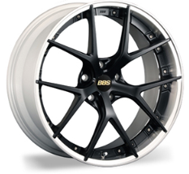
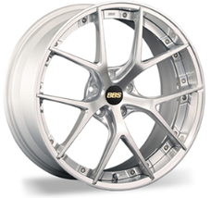
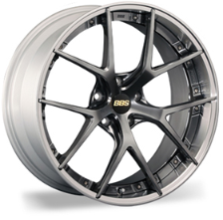
※Image
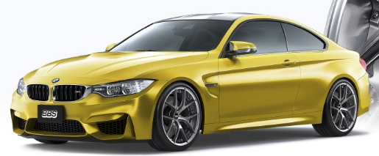

Disk：Matte Black Rim：Silver painted,
Diamond-cut.（MB-SLD）
isk：Diamond Silver Rim：Silver painted,
Diamond-cut.（DS-SLD） +5,000 Yen
Disk：Diamond Black Rim：Silver painted,
Diamond-cut.（DB-SLD） +5,000 Yen

 | TYPE | SIZE | INSET | H/P.C.D | PFS/BORE | WEIGHT | UNIT RRICE
20inch | RI-S005 | 20×8.5 | 22 | 5/112.0 | PFS | 11.3kg | ASK
 | RI-S009 | 20×9.0 | 40 | 5/114.3 | PFS | 11.4kg | ASK
 | RI-S002 | 20×10.0 | 34 | 5/120.0 | PFS | 12.0kg | ASK
 |  |  |  |  |  |  | ※Please contact us for sizes other than those listed above.
LM | Forged aluminum 2-piece wheel
Simplicity plus class—a long-seller inspired by Le Mans A vehicle gets a big boost of stately appeal from this wheel’s simple and classy styling.Since its introduction in 1994, this wheel has been a long-selling favorite around the world.Originating in the BBS racing wheels used by teams in the 24 Hours of Le Mans, this model takes its name from the initials of that elite event.
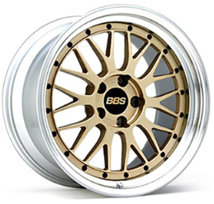
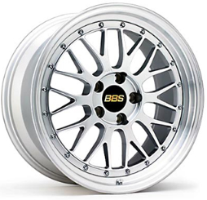
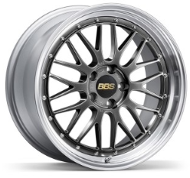
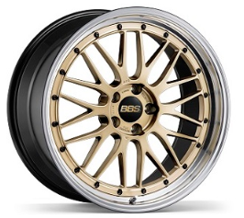

Gold disk and Silver
Diamond-cut rim (GL-SLD)
Diamond Silver disk and
Silver Diamond-cut rim
(DS-SLD)19inch～ +5,000 Yen
Diamond Black disk and Silver
Diamond-cut rim (DB-SLD) 19inch～ +5,000 Yen
Gold disk and Black Bright
Diamond-cut rim (GL-BKBD) +5,000 Yen

Diamond Silver disk and Black Bright
Diamond-cut rim (DS-BKBD) 17/18inch +5,000Yen 19inch～ +10,000 Yen
Diamond Black disk and Black Bright
Diamond-cut rim (DB-BKBD) 17/18inch +5,000Yen 19inch～ +10,000 Yen
※Image
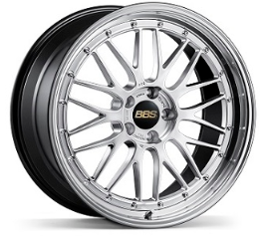 |  | 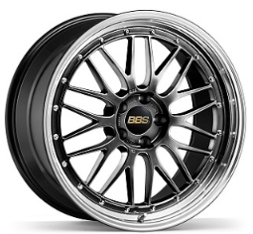 |  |  | 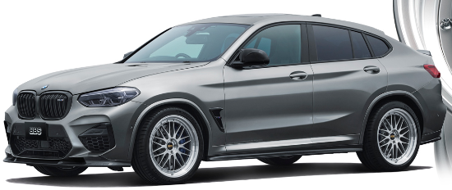
 | TYPE | SIZE | INSET | H/P.C.D | PFS/BORE | WEIGHT | UNIT RRICE
18inch | LM430 | 18×8.0 | 45 | 5/112.0 | PFS | 10.4kg | ASK
19inch | LM250 | 19×9.0 | 42 | 5/112.0 | PFS | 11.1kg | ASK
20inch | LM186 | 20×10.0 | 38 | 5/114.3 | PFS | 12.2kg | ASK
 |  |  |  |  |  |  | ※Please contact us for sizes other than those listed above.
RN | Forged aluminum 1-piece wheel
Ideal for high-end automobiles. Sharp and edgy, this innovative design does things the modern way.
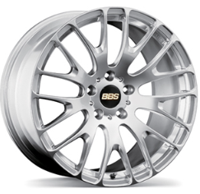
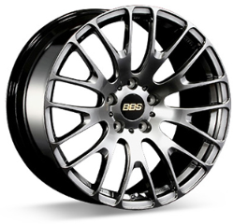
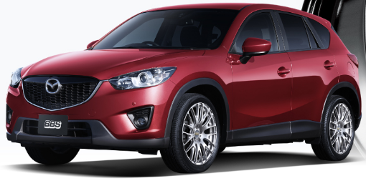
※Image
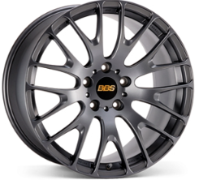

Diamond Silver (DS)
+5,000 Yen
Diamond Black (DB)
+5,000 Yen
Matte Gray (MGR)

 | TYPE | SIZE | INSET | H/P.C.D | PFS/BORE | WEIGHT | UNIT RRICE
20inch | RN107 | 20×8.5 | 38 | 5/114.3 | PFS | 10.9kg | ASK
 | RN108 | 20×8.5 | 43 | 5/114.3 | PFS | 11.0kg | ASK
 | RN109 | 20×9.5 | 45 | 5/114.3 | PFS | 11.3kg | ASK

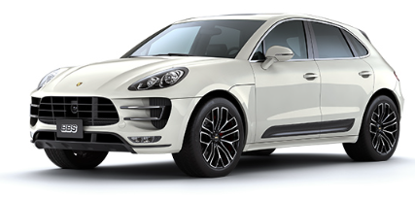
RE-X | Forged aluminum 1-piece wheel
A strong, modern style ideal for a new era of SUVs Strength plus beauty. A new era of SUVs demands a smart, modern style, and this is it.With its square lines that form subtle Y shapes in the disc,this advanced design communicates a feeling of confident ease.The spokes overlap the rim, creating a rich contrast and further emphasizing the wheel’s large diameter.
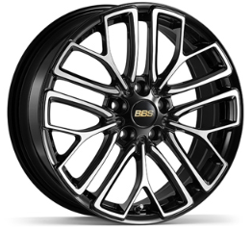
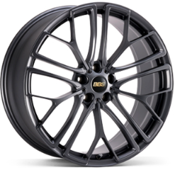
※Image

Black Diamond-cut (BKD)
Matte Gray (MGR)

 | TYPE | SIZE | INSET | H/P.C.D | PFS/BORE | WEIGHT | UNIT RRICE
18inch | RE-X007 | 18×7.5 | 59 | 5/114.3 | PFS | 9.4kg | ASK
21inch | RE-X002 | 21×9.0 | 38 | 5/114.3 | PFS | 12.2kg | ASK
 |  |  |  |  |  |  | ※Please contact us for sizes other than those listed above.
FS | Forged aluminum 1-piece wheel
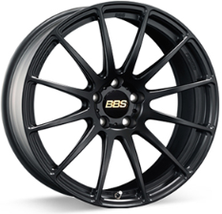
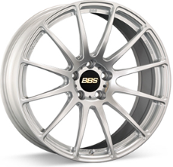
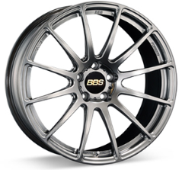
The height of luxurious style—and perfect for European automobiles Based on the racing wheel BBS created for Group GT3,this wheel features 12 slender fins radiating outward.Leveraging the visual power of straight lines, this sharp design offers a refined,high-end presence that accentuates the stylish image of European automobiles.
※Image
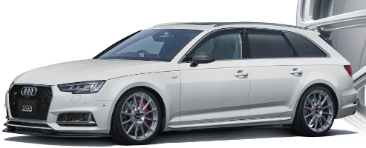

Matte Black（MB）
Diamond Silver (DS)
+5,000 Yen
Diamond Black (DB)
+5,000 Yen

 | TYPE | SIZE | INSET | H/P.C.D | PFS/BORE | WEIGHT | UNIT RRICE
19inch | FS001 | 19×8.5 | 42 | 5/112.0 | PFS | 9.3kg | ASK
 | FS007 | 19×8.5 | 40 | 5/112.0 | PFS | 9.4kg | ASK
 |  |  |  |  |  |  | ※Please contact us for sizes other than those listed above.
RE-V | Forged aluminum 1-piece wheel
※Image
Originality meets luxury, with slender spokes in a distinctive V shape. Our propriety 3D cutting technology also reduces weight.
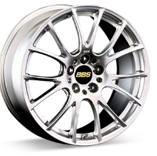
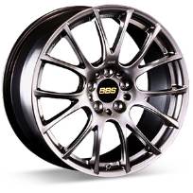
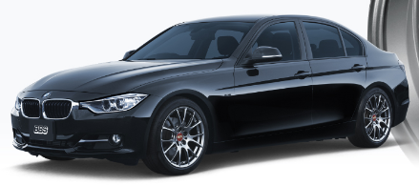

Diamond silver(DS)
Diamond black(DB)

 | TYPE | SIZE | INSET | H/P.C.D | PFS/BORE | WEIGHT | UNIT RRICE
18inch | RE063 | 18×7.5 | 50 | 5/100.0 | PFS | 9.0kg | ASK
19inch | RE084 | 19×8.5 | 30 | 5/112.0 | PFS | 10.5kg | ASK
 |  |  |  |  |  |  | ※Please contact us for sizes other than those listed above.
RE-V7 | Forged aluminum 1-piece wheel
Tradition and innovation collide. Its aesthetics is performance. The traditional BBS cross spoke is immediately recognizable. Our pursuit of top driving performance enhanced its unsurpassed aesthetics Function and Form. It does not simply pay homage to our motorsport heritage; it builds on our past successes and is enhanced by innovative technologies by BBS. The new RE-V7, it is the choice for drivers who refuse to compromise on either of driving performance /aesthetics.
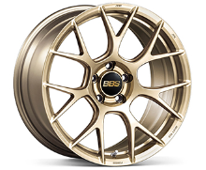
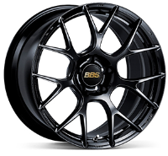
※Image
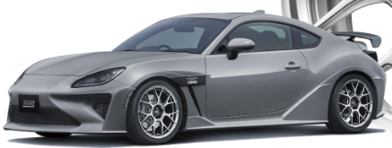

Gold（GL）
Black（BK）

Diamond Silver (DS) 19inch～ +5,000 Yen
Diamond Black (DB) 19inch～ +5,000 Yen
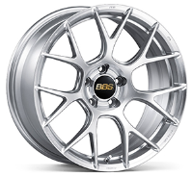
 | TYPE | SIZE | INSET | H/P.C.D | PFS/BORE | WEIGHT | UNIT RRICE
18inch | RE-V7006 | 18×8.0 | 45 | 5/112.0 | PFS | 8.4kg | ASK
 | RE-V7023 | 18×9.0 | 45 | 5/114.3 | PFS | 8.9kg | ASK
19inch | RE-V7044 | 19×8.5 | 35 | 5/112.0 | PFS | 9.6kg | ASK
 | RE-V7051 | 19×9.5 | 45 | 5/112.0 | PFS | 9.5kg | ASK
20inch | RE-V7062 | 20×9.5 | 15 | 5/112.0 | PFS | 10.9kg | ASK
21inch | RE-V7063 | 21×10.5 | 15 | 5/112.0 | PFS | 11.9kg | ASK
 |  |  |  |  |  |  | ※Please contact us for sizes other than those listed above.
RI-A | Forged aluminum 1-piece wheel
The ultimate racing model—based on our wheel for SUPER GT The ultimate racing specification wheel—based on exactly the same concept as our wheels for SUPER GT, the pinnacle of racing in Japan, and with exactly the same structure. Antislip paint minimize slipping between wheel and tire, while steel bushings help protect the nut holes when the wheel is installed or removed. Inheriting our racing wheels’ performance and reliability in the toughest of conditions, this model is sure to impress and please in every detail.

Matte Bronze（MBZ）
Matte Gray (MGR)
Gold（GL）

Diamond Silver (DS) 19inch +5,000 Yen
Diamond Black (DB) 19inch +5,000 Yen
※Image
 | TYPE | SIZE | INSET | H/P.C.D | PFS/BORE | WEIGHT | UNIT RRICE
16inch | RI-A022 | 16×7.0 | 48 | 5/100.0 | 56 | 5.7kg | ASK
17inch | RI-A053 | 17×7.5 | 44 | 5/100.0 | 56 | 6.9kg | ASK
18inch | RI-A051 | 18×8.0 | 52 | 5/112.0 | PFS | 7.9kg | ASK
19inch | RI-A059 | 19×10.5 | 43 | 5/130.0 | 71.6 | 9.7kg | ASK
 |  |  |  |  |  |  | ※Please contact us for sizes other than those listed above.
RT-X | Forged aluminum 1-piece wheel
※Image
Originality meets luxury, with slender spokes in a distinctive V shape. Our propriety 3D cutting technology also reduces weight.

Matte Gray disk and Silver Diamond-cut rim (MGR-SLD)

 | TYPE | SIZE | INSET | H/P.C.D | PFS/BORE | WEIGHT | UNIT RRICE
17inch | RT-X001 | 17×6.5 | 38 | 6/139.7 | 106 | 10.8kg | ¥99,180

RF | Forged aluminum 1-piece wheel
Agile and exhilarating styling—for drivers who appreciate a lightweight wheel With its 5 slender cross spokes proceeding elegantly from the center, this subtle yet dynamic design gives a truly lightweight visual impression. Born of our pursuit of top performance, this model leverages its ultra-light aluminum 1-piece structure to support nimble off-the-line starts and a sharp, responsive steering feel.
※Image

Diamond Silver (DS)
Diamond Black (DB)

 | TYPE | SIZE | INSET | H/P.C.D | PFS/BORE | WEIGHT | UNIT RRICE
17inch | RF500 | 17×7.0 | 48 | 4/100.0 | PFS | 6.5kg | ASK
 | RF532 | 17×7.5 | 44 | 5/100.0 | PFS | 6.7kg | ASK
18inch | RF533 | 18×7.5 | 43 | 5/100.0 | PFS | 7.8kg | ASK
 | RF522 | 18×9.0 | 48 | 5/114.3 | PFS | 8.1kg | ASK
 |  |  |  |  |  |  | ※Please contact us for sizes other than those listed above.
RE-L2 | Forged aluminum 1-piece wheel
※Image
Our standard model—ready to enhance the footwork of lightweight sports cars This wheel exemplifies the virtues of the forged wheel with its exceptionally lightweight and tough construction. In terms of styling, it takes the sharp and slender look to a satisfying extreme. Featuring 7 cross spokes that boldly extend onto the rim, this model visually pops like nothing else on a lightweight sports car. The BKD model features our proprietary diamond cut on the disc surface, which imparts a refined rainbow hue.

Diamond Silver (DS)
Diamond Black (DB)
Black Diamond-cut (BKD)

 | TYPE | SIZE | INSET | H/P.C.D | PFS/BORE | WEIGHT | UNIT RRICE
15inch | RE5058 | 15×4.5 | 45 | 4/100.0 | PFS | 4.5kg | ASK
 | RE5013 | 15×6.0 | 45 | 4/100.0 | PFS | 4.9kg | ASK
16inch | RE5036 | 16×5.0 | 43 | 4/100.0 | PFS | 5.3kg | ASK
 | RE5052 | 16×6.5 | 43 | 5/100.0 | PFS | 5.7kg | ASK
17inch | RE5011 | 17×7.0 | 48 | 4/100.0 | PFS | 6.3kg | ASK
 | RE5054 | 17×7.0 | 41 | 5/100.0 | PFS | 6.5kg | ASK
 |  |  |  |  |  |  | ※Please contact us for sizes other than those listed above.
RP | Forged aluminum 1-piece wheel
For compact sports cars, this lightweight model with 8 cross spokes and lettering forged into the rim reflects a Formula One aesthetic.

※Image

Diamond Silver (DS)
Diamond Black (DB)
Gold (GL)

 | TYPE | SIZE | INSET | H/P.C.D | PFS/BORE | WEIGHT | UNIT RRICE
15inch | RP011 | 15×4.5 | 45 | 4/100.0 | PFS | 4.7kg | ASK
 | RP009 | 15×6.0 | 48 | 4/100.0 | PFS | 5.4kg | ASK
16inch | RP002 | 16×5.0 | 45 | 4/100.0 | PFS | 5.3kg | ASK
 | RP005 | 16×6.0 | 50 | 4/100.0 | PFS | 5.6kg | ASK
 |  |  |  |  |  |  | ※Please contact us for sizes other than those listed above.
RS-GT | Forged aluminum 2-piece wheel
※Image
The lightest of our 2-piece wheels, this racing-style model features titanium bolts and a specially processed rim for weight reduction.

Gold disk and
Silver Diamond-cut rim (GL-SLD)
Diamond Silver disk and
Silver Diamond-cut rim (DS-SLD) 19inch～ +5,000 Yen
Diamond Black disk and
Silver Diamond-cut rim (DB-SLD) 19inch～ +5,000 Yen

 | TYPE | SIZE | INSET | H/P.C.D | PFS/BORE | WEIGHT | UNIT RRICE
17inch | RS934 | 17×7.0 | 50 | 5/114.3 | PFS | 8.2kg | ASK
18inch | RS988 | 18×7.5 | 48 | 5/100.0 | PFS | 8.9kg | ASK
 | RS930 | 18×9.0 | 45 | 5/114.3 | PFS | 9.3kg | ASK
19inch | RS989 | 19×8.0 | 52 | 5/114.3 | PFS | 9.4kg | ASK
 | RS970 | 19×8.5 | 43 | 5/114.3 | PFS | 10.1kg | ASK
20inch | RS967 | 20×8.5 | 38 | 5/114.3 | PFS | 10.6kg | ASK
 |  |  |  |  |  |  | ※Please contact us for sizes other than those listed above.
RG-R | Forged aluminum 1-piece wheel
This nimble and sporty design features 8 cross spokes. A long-selling model in our 1-piece series.
※Image

Black Diacut(BKD)
Diamond Black (DB)
Diamond Silver(DS) 19inch +5,000 Yen)
Diamond Black(DB) 19inch +5,000 Yen
 | TYPE | SIZE | INSET | H/P.C.D | PFS/BORE | WEIGHT | UNIT RRICE
17inch | RG778 | 17×7.0 | 42 | 5/100.0 | PFS | 7.6kg | ASK
 | RG751 | 17×7.5 | 35 | 5/100.0 | PFS | 8.2kg | ASK
18inch | RG804 | 18×7.5 | 45 | 5/100.0 | PFS | 8.2kg | ASK
 | RG782 | 18×8.5 | 43 | 5/114.3 | PFS | 9.9kg | ASK
19inch | RG790 | 19×8.0 | 43 | 5/114.3 | PFS | 9.2kg | ASK
 | RG731 | 19×10.0 | 20 | 5/114.3 | PFS | 9.9kg | ASK
 |  |  |  |  |  |  | ※Please contact us for sizes other than those listed above.
RG-F | Forged aluminum 1-piece wheel
A perfect match for lightweight sports cars. Akin to our racing wheels, this lightweight model features 10 cross spokes.

※Image

Silver (SL)
Blue Black diamond-cut
(BBD)
Diamond Black (DB)
Gold (GL)

 | TYPE | SIZE | INSET | H/P.C.D | PFS/BORE | WEIGHT | UNIT RRICE
15inch | RG390 | 15×6.0 | 45 | 4/100.0 | PFS | 4.4kg | ASK
 | RG508 | 15×6.5 | 42 | 4/100.0 | PFS | 4.8kg | ASK
16inch | RG408 | 16×6.5 | 42 | 4/100.0 | PFS | 5.8kg | ASK
 | RG383 | 16×7.0 | 35 | 5/100.0 | PFS | 6.2kg | ASK
 |  |  |  |  |  |  | ※Please contact us for sizes other than those listed above.

Please contact your TAU representative if you are interested in purchasing BBS accessories.
https://bbs-japan.co.jp/en/products/category/accessories/

